Permissions
Android Permissions

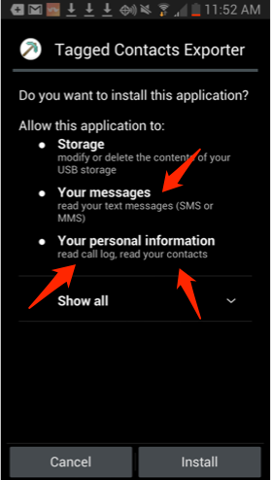
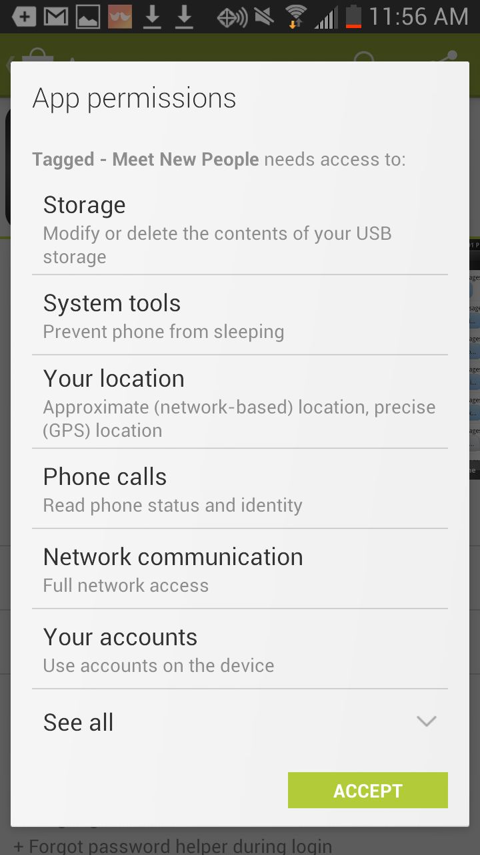
perceived severity | 1 | 2 | 3
 | "READ_CONTACTS" | "CALL_LOG" | "SMS"
areaCodeDist | X
callRecency | X
callFreq | X
talkTime |  | X
textMsgs |  |  | X
starred | X
hasPhoto | X

